Sheet1
Pallet No.
UPC | DESCRIPTION | PACKs | BOXES | TOTAL | Photo
84105802097 | Schick Xtreme 3 Sensitive Skin Disposable Razors for Men with New Heavyweight Handle - 6 packs per box | 6 | 71 | 426 | 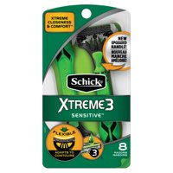 | Pallet 1
84058007210 | Schick Hydro Silk Sensitive Skin Razor for Women with 2 Moisturizing Razor Blade Refills | 12 | 1 | 12 | 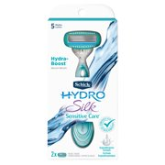 | Pallet 1
841058022015 | Schick Quattro Disposable Womens 3 Count | 12 | 28 | 336 | 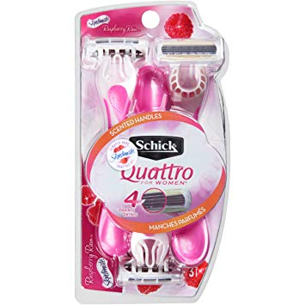 | Pallet 1
841058013235 | Schick Hydro Sense Sensitive Razors for Men with Shock Absorbent Technology Icludes 1 Razor Handle and 2 Razor Blade Refills | 12 | 11 | 132 | 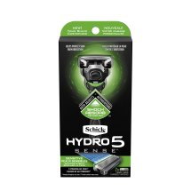 | Pallet 1
841058023005 | Schick Hydro 5 Hydrate | 12 | 5 | 60 |  | Pallet 1
 |  |  | COUNT | 966
841058020004 | Schick Extreme 3 Sensitive Peaux Sensibles Women's | 12 | 17 | 204 | 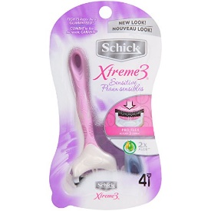 | Pallet 2
841058014133 | Schick Hydro 3 Razor Kit 1 Handle 3 Cartridges Value Pack | 12 | 45 | 540 | 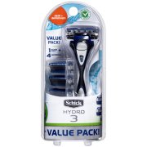 | Pallet 2
841058022015 | Schick Quattro for Women Raspberry Rain | 12 | 1 | 12 |  | Pallet 2
 |  |  | COUNT | 756
841058020950 | Schick Xtreme 3 Sensitive Skin Disposable Razors for Men with New Heavyweight Handle | 12 | 40 | 480 | 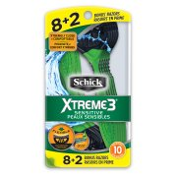 | Pallet 3
 |  |  | COUNT | 480
841058020011 | Schick Xtreme 3 Sensitive Skin Disposable Razors for Women | 6 | 29 | 174 | 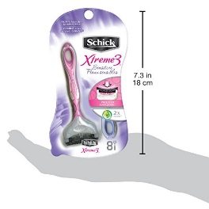 | Pallet 4
841058020967 | Schick Xtreme 3 Refresh Disposable Razor with Scented Handle | 12 | 20 | 240 | 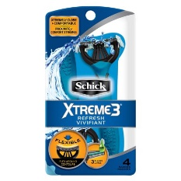 | Pallet 4
841058014133 | Schick Mens Hydro 3 Razor 4X | 12 | 21 | 252 |  | Pallet 4
 |  |  | COUNT | 666
841058007210 | Schick Hydro Silk Sensitive Skin Razor for Women with 2 Moisterizing Razor Blade Refills | 12 | 46 | 552 |  | Pallet 5
841058007296 | Schick Hydro Silk Trimstyle Moisturizing Razor for Women with Bikini Trimmer | 12 | 25 | 300 | 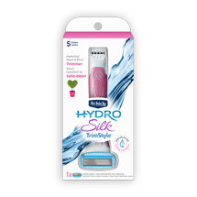 | Pallet 5
841058022015 | Schick Quattro for Women Raspberry Rain | 12 | 8 | 96 |  | Pallet 5
841058024002 | Schick Hydro Silk Razor Disposable Razors for Women with Moisturizing Serum | 12 | 15 | 180 | 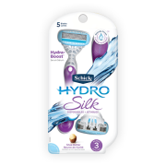 | Pallet 5
841058013198 | Schick Hydro Sense Hydrate Razors for Men with Shock Absorbent Technology | 12 | 1 | 12 | 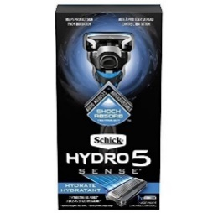 | Pallet 5
841058013235 | Schick Hydro Sense Razors for Men with Shock Absorbent Technology - Sensitive | 12 | 2 | 24 |  | Pallet 5
 |  |  | COUNT | 1164
841058022442 | Schick Quattro YOU Exotic Violet Blooms Disposable Razor for Women | 12 | 80 | 960 | 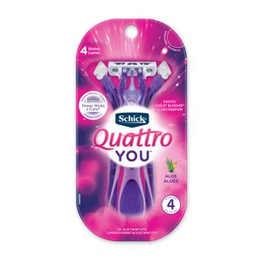 | Pallet 6
 |  |  | COUNT | 960
841058025078 | Schick Slim Twin ST2 Sensitive Mens Disposable Razor | 36 | 50 | 1800 | 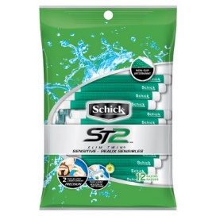 | Pallet 7
841058022015 | Schick Quattro for Women Raspberry Rain | 12 | 3 | 36 |  | Pallet 7
841058023905 | Schick Hydro 5 Men's Disposable Razor | 12 | 1 | 12 |  | Pallet 7
 |  |  | COUNT | 1848
841058021049 | Schick Xtreme 4 with Titanium Coated Blades and Ergonomic Handle Disposable Razors for Men | 12 | 29 | 348 |  | Pallet 8
841058022015 | Schick Quattro for Women Raspberry Rain | 12 | 32 | 384 |  | Pallet 8
841058022091 | Schick Quattro for Women Sensitive Skin Disposable Razor | 12 | 16 | 192 | 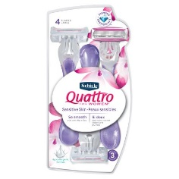 | Pallet 8
841058013167 | Schick Hydro Sense Energize Razors for Men with Shock Absorbent Technology | 12 | 10 | 120 |  | Pallet 8
841058025214 | Schick Slim Triple ST3 Disposable Razors for Women Sensitive Skin Shaving Razor with Aloe & Vitamin E | 36 | 19 | 684 | 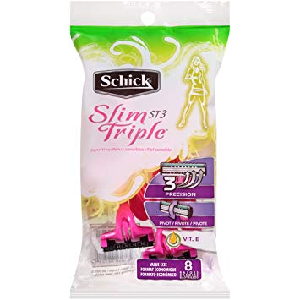 | Pallet 8
 |  |  | COUNT | 1728
841058050650 | Schick Quattro for Women | 12 | 65 | 780 | 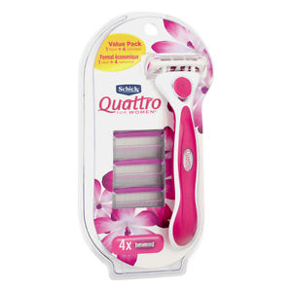
841058013198 | Schick Hydro Sense Hydrate Razors for Men with Shock Absorbent Technology | 12 | 37 | 444
 |  |  | COUNT | 1224
841058022442 | Schick Quattro YOU Exotic Vilet Blooms Disposable Razor for Women | 12 | 80 | 960 | 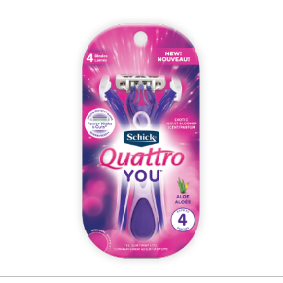
 |  |  | COUNT | 960

